Sheet1
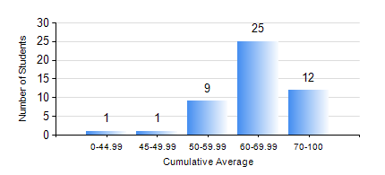
 |  |  | KWAME NKRUMAH UNIVERSITY OF SCIENCE AND TECHNOLOGY, KUMASI Department of Telecommunication Engineering

 |  |  | BSC. TELECOMMUNICATION ENG.

 |  |  | COMPREHENSIVE RECORD OF EXAMINATION RESULTS

 |  |  | RESULTS OF YEAR 4 FIRST SEMESTER, 2018/2019 ACADEMIC YEAR

 | Sn | Course Code |  | Course Name | Credit Hours | Min. Mark | Max. Mark | Avg. Mark | Std. Dev. | No. Passed | No. Trailed | No. (Df) | No. (I) | No. (I*) | No. Tagged(I,I*,Df) | Total
 | 1. | COE 475 |  | COMPUTER NETWORKING | 4 | 50 | 95 | 79 | 11.45 | 48 | 0 | 0 | 0 | 0 | 0 | 48
 | 2. | EE 489 |  | INDUSTRIAL TRAINING | 1 | 55 | 89 | 81 | 5.29 | 48 | 0 | 0 | 0 | 0 | 0 | 48
 | 3. | ME 491 |  | ENGINEERING ECONOMICS AND MANAGEMENT | 3 | 36 | 77 | 60 | 9.57 | 47 | 1 | 0 | 0 | 0 | 0 | 48
 | 4. | TE 461 |  | COMPUTER APPLICATION ANDPROJECT DESIGN | 3 | 40 | 91 | 73 | 13.71 | 48 | 0 | 0 | 0 | 0 | 0 | 48
 | 5. | TE 471 |  | ELECTROMAGNETIC COMPATIBILITY | 3 | 40 | 81 | 61 | 11.05 | 48 | 0 | 0 | 0 | 0 | 0 | 48
 | 6. | TE 481 |  | WIRELESS DATA COMMUNICATION NETWORK | 3 | 40 | 87 | 61 | 13.54 | 48 | 0 | 0 | 0 | 0 | 0 | 48
 | 7. | TE 497 |  | PROJECT I | 3 | 65 | 85 | 81 | 4.84 | 48 | 0 | 0 | 0 | 0 | 0 | 48

